TEDB Edition 40
Ranging from a speed limit of 55 miles per hour (mph) to 85 mph, the maximum speed limit for trucks varies from state to state and sometimes from year to year. Currently, California has the most conservative maximum speed limit for trucks – 55 mph. At the other end of the spectrum, Texas has some roads where the truck speed limit is 85 mph. Because of the varying limits, there is not one common highway speed at which trucks travel. Manufacturers design the vehicle to perform well over the entire range of speeds.

Figure 5.7. Maximum Daytime Truck Speed Limits by State, 2021

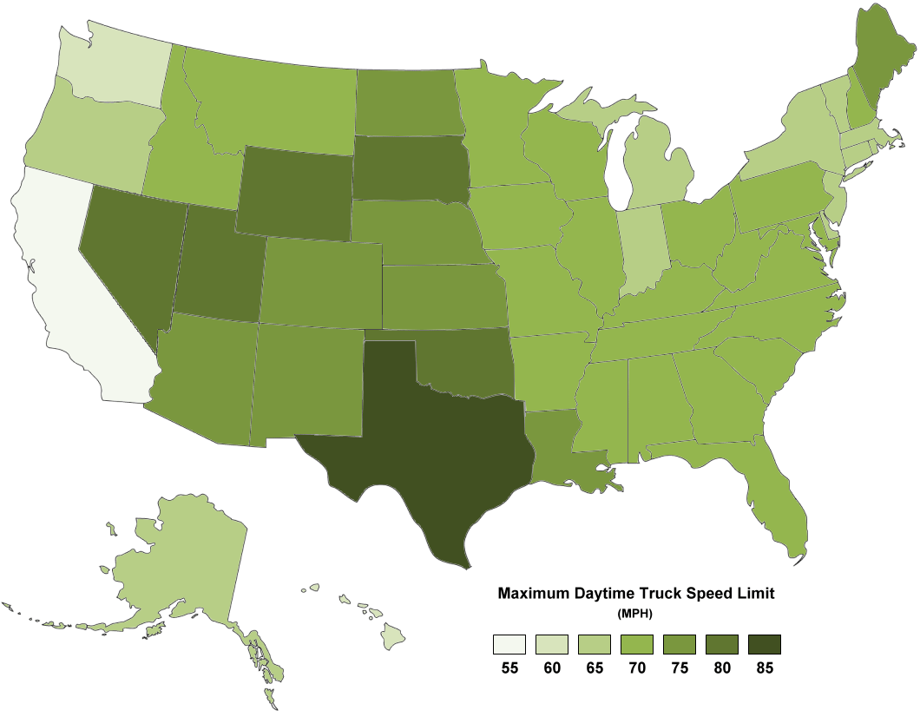

Source:
Insurance Institute for Highway Safety, Highway Loss Data Institute, “Speed Limits,” September 2018. (Additional resources: www.iihs.org/iihs/topics/laws/speedlimits)

State | Maximum Daytime Speed Limit (Miles per Hour)
Alabama | 70
Alaska | 65
Arizona | 75
Arkansas | 70
California | 55
Colorado | 75
Connecticut | 65
Delaware | 65
Florida | 70
Georgia | 70
Hawaii | 60
Idaho | 70
Illinois | 70
Indiana | 65
Iowa | 70
Kansas | 75
Kentucky | 70
Louisiana | 75
Maine | 75
Maryland | 70
Massachusetts | 65
Michigan | 65
Minnesota | 70
Mississippi | 70
Missouri | 70
Montana | 70
Nebraska | 75
Nevada | 80
New Hampshire | 70
New Jersey | 65
New Mexico | 75
New York | 65
North Carolina | 70
North Dakota | 75
Ohio | 70
Oklahoma | 80
Oregon | 65
Pennsylvania | 70
Rhode Island | 65
South Carolina | 70
South Dakota | 80
Tennessee | 70
Texas | 85
Utah | 80
Vermont | 65
Virginia | 70
Washington | 60
West Virginia | 70
Wisconsin | 70
Wyoming | 80

Note: Oklahoma’s maximum speed limit is effective November 1, 2019.

Source:
Insurance Institute for Highway Safety, Highway Loss Data Institute, “Speed Limits,” August 2021.
(Additional resources: www.iihs.org/iihs/topics/speed/speed-limit-laws)

